Scenario Diagram
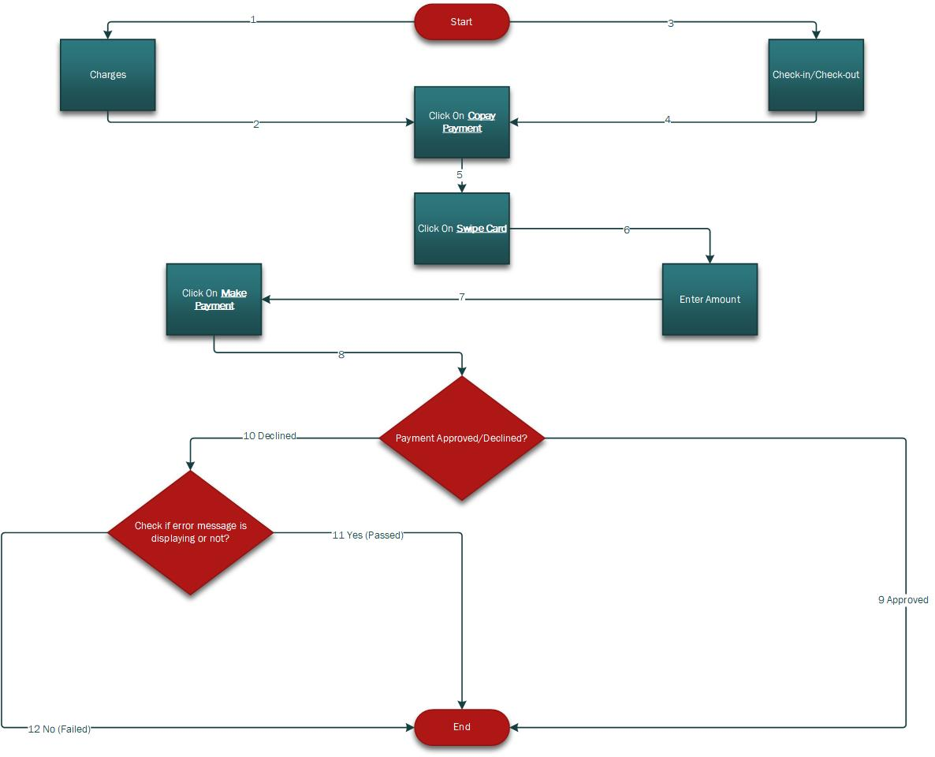
Scenario Diagrams

